18 deg
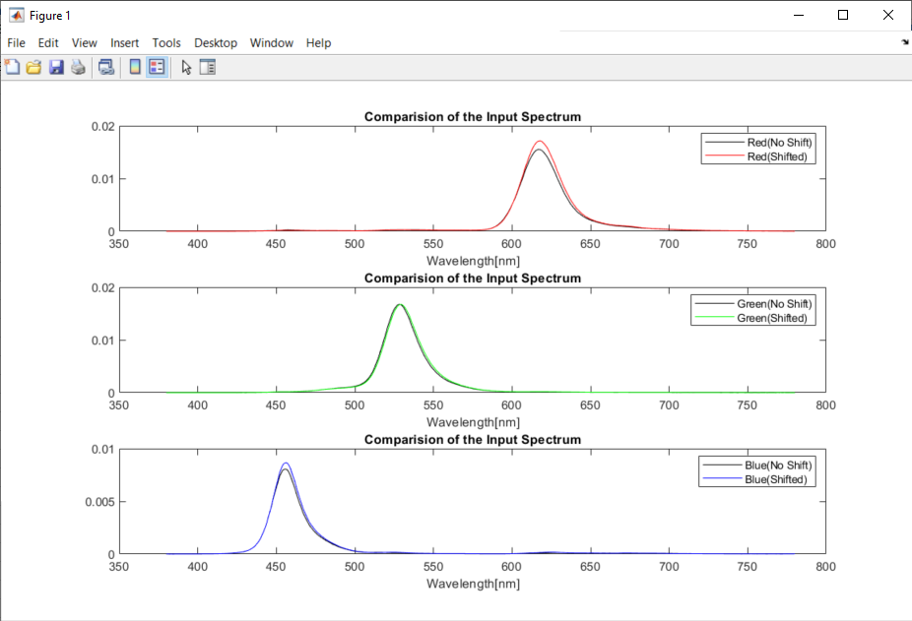
Pattern Colors | X_shifted | Y_shifted | Z_shifted | 1931 x | 1931 y | Simulated R | Simulated G | Simulated B | X_Calculated | Y_Calculated | Z_Calculated | 1931 x | 1931 y | dx | dy
Red | 44.885668528 | 22.642092134 | 1.0852561837 | 0.65418590512 | 0.32999703518 | 55.310539613 | 14.858670833 | 4.061534758 | 18.309028083 | 9.2039101272 | 0.50708949377 | 0.65342648039 | 0.32847612516 | 0.00075942472808 | 0.0015209100171
Green | 12.778502371 | 43.585918677 | 4.5103670825 | 0.20991452724 | 0.71599294249 | 3.7870618521 | 50.833955939 | 13.680675276 | 4.9060135926 | 17.450349875 | 1.5895603778 | 0.20487886057 | 0.72873988858 | 0.0050356666709 | -0.012746946089
Blue | 6.5301343511 | 2.3044050879 | 33.472323765 | 0.15435165495 | 0.054468824047 | 1.6183989982 | 4.8185609547 | 15.27287693 | 2.6384047323 | 0.93059420464 | 13.587315969 | 0.15378621497 | 0.054242079941 | 0.00056543997106 | 0.00022674410591

20 deg
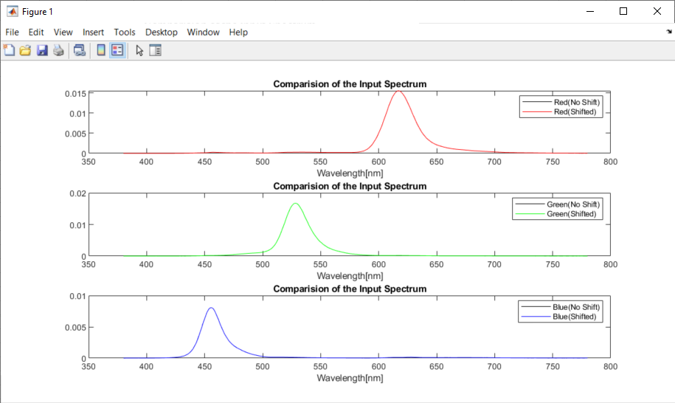
Pattern Colors | X_shifted | Y_shifted | Z_shifted | 1931 x | 1931 y | Simulated R | Simulated G | Simulated B | X_Calculated | Y_Calculated | Z_Calculated | 1931 x | 1931 y | dx | dy
Red | 41.592179145 | 21.249786319 | 1.2449131324 | 0.64899680022 | 0.33157780164 | 50.702829611 | 14.090305816 | 3.8744338527 | 16.82137195 | 8.5942129373 | 0.50348463783 | 0.64899598088 | 0.33157876015 | 8.1933851692E-07 | -9.5850841431E-07
Green | 12.073447977 | 42.587447482 | 4.6875748406 | 0.20343317892 | 0.71758290091 | 3.7125361728 | 50.238723657 | 13.858827709 | 4.8823024192 | 17.223905098 | 1.8962525426 | 0.2034084176 | 0.71758915774 | 2.4761320735E-05 | -6.2568307372E-06
Blue | 6.1285660434 | 2.1292280397 | 31.476355222 | 0.15423926649 | 0.053586853549 | 1.5471534008 | 4.4745717947 | 14.299687681 | 2.4787634324 | 0.86065367847 | 12.729924664 | 0.15425419828 | 0.053558738779 | -1.4931792628E-05 | 2.8114770184E-05

22 deg
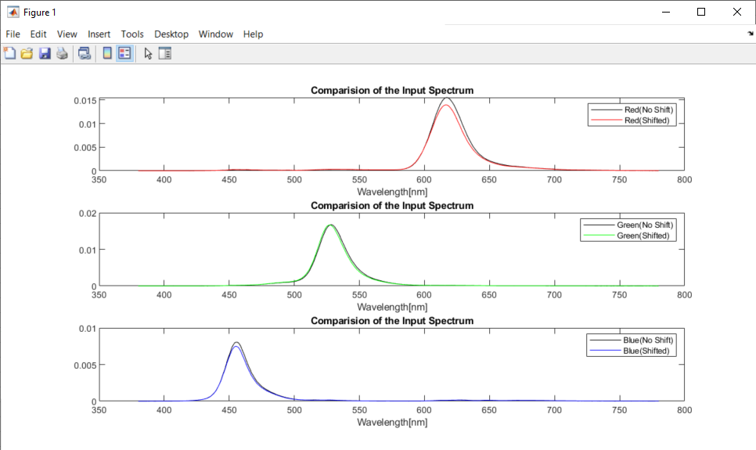
Pattern Colors | X_shifted | Y_shifted | Z_shifted | 1931 x | 1931 y | Simulated R | Simulated G | Simulated B | X_Calculated | Y_Calculated | Z_Calculated | 1931 x | 1931 y | dx | dy
Red | 38.071365102 | 19.761659768 | 1.3584935726 | 0.64318953295 | 0.33385965233 | 45.928053671 | 13.302451098 | 3.6816144301 | 15.280238928 | 7.9653048489 | 0.49886968265 | 0.64352985405 | 0.33546016466 | -0.00034032109375 | -0.0016005123279
Green | 11.305124974 | 41.297082554 | 4.8897444281 | 0.1966383918 | 0.71831067043 | 3.6032009853 | 49.358008069 | 14.00912309 | 4.8330676981 | 16.895563536 | 2.2411069557 | 0.20163206039 | 0.7048705915 | -0.0049936685904 | 0.013440078934
Blue | 5.7752627969 | 2.0140305626 | 29.388799425 | 0.15534048049 | 0.054172508908 | 1.6095484561 | 4.2042131236 | 13.325896564 | 2.3635049523 | 0.82689555911 | 11.855163446 | 0.15708982122 | 0.05495942601 | -0.0017493407324 | -0.00078691710153

